Sheet1
 | Document No. |  | Issue No. | Issue Date |  | Review and Replace Date |  | Authorised By
 | GFF008MC |  | 3 | 23.09.2018 |  | 2021-10-05 |  | Magda Shah
 | Document Title |  | Onion Bhaji 40g - Deli Counter
Document amendments reason for change | Document reviewed, shelf life updated |  |  | Page 1 of 1 | Previous Issue Date |  | 2019-11-22 | Uncontrolled copy unless signed original

COBH3C-B20X1TEB |  | BOOTHS - DELI |  | ONION BHAJI 40G
STEP 1 |  |  |  |  | STEP 2
 |  |  |  |  | 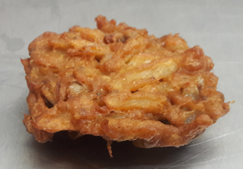

No Gas

Tray: H3H 50 - CLEAR (PKNUT001-07) |  |  |  |  | ONION BHAJI COCKTAIL 40g (GFF121R): 40g x 20 units
Film: 410AF (PKPRO001-10)
STEP 3
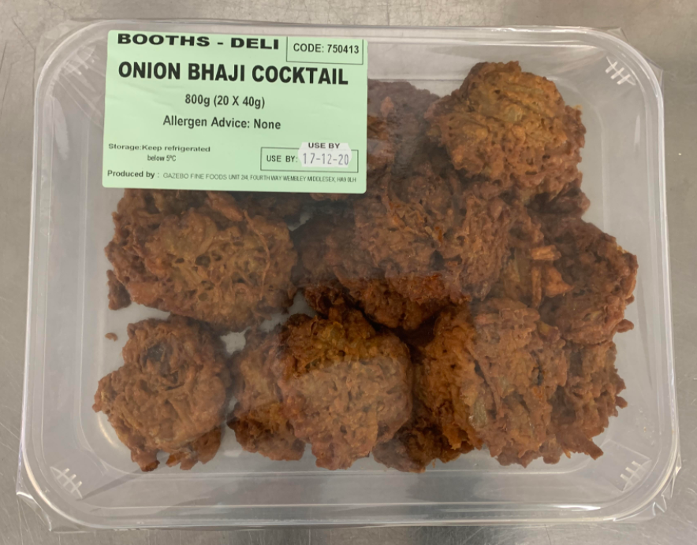

8 Days

TOTAL WEIGHT: 800g (20 units)

ALLERGY ALERT: NONE

